Sheet1
Prying force calculations |  |  |  | Q | 5 | t | straining actions

w | 8.75 | cm | inverse prop. | M | 30 | tm |  |  | bolt yield stress | 9 | t/cm2
a | 6 | cm | inverse prop. | Ix | 17300000000 | mm4 | Plate inertia
b | 4 | cm | direct prop.
As | 4.59 | cm2 | direct prop. | Y mm | stress t/cm2 | w cm | h cm | applied force t | force / 0.6 t | bolt Diam. | T bolt | ratio | is safe | n | ps | Qall
tp | 2 | cm | inverse prop. | 470 | 0.081502890173 | 8.75 | 12.5 | 7.7289559249 | 12.881593208 | 20 | 15.4377863 | 0.83441971264 | pass | 6 | 6.1751145199 | 18.5011929
Text,b | 15.4377863 | tons |  | 345 | 0.059826589595 | 15 | 10.5 | 7.988800578 | 13.31466763 | 20 | 15.4377863 | 0.86247259623 | pass | 4 | 6.1751145199 | 11.918377155
Text,act | 7.7289559249 | tons |  | 240 | 0.04161849711 | 15 | 24 | 7.4913294798 | 12.485549133 | 20 | 15.4377863 | 0.80876551149 | pass | 4 | 6.1751145199 | 12.714330912
P | 2.4287041157 | tons |  | 0 | 0 | 0 | 0 | 0 | 0 | 0 | 0 | #DIV/0! | not safe | 4 | 0 | #DIV/0!
P% | 0.31423443727 |  |  | 0 | 0 | 0 | 0 | 0 | 0 | 0 | 0 | #DIV/0! | not safe | 0 | 0 | #DIV/0!
total applied | 10.157660041 | tons |  | 0 | 0 | 0 | 0 | 0 | 0 | 0 | 0 | #DIV/0! | not safe | 0 | 0 | #DIV/0!
tension req. | 12.881593208 | tons | pass | 0 | 0 | 0 | 0 | 0 | 0 | 0 | 0 | #DIV/0! | not safe | 0 | 0 | #DIV/0!
ten+prying req. | 12.697075051 | tons | pass

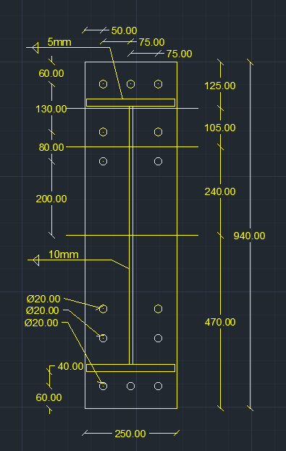

welding |  |  |  |  |  | Qall |  | 43.133900966 | tons | pass

steel ultimate stress | 5.2 | t/cm2
allowable stress | 1.04 | t/cm2 |  |  |  | Flanges weld |  | 0.8 | cm
Q | 5 | t
Mx | 30 | tm |  |  |  | web weld |  | 0.4 | cm
flange | 24 | cm
flange thickness | 2 | cm
web | 70 | cm
web thickness | 1 | cm
web weld length | 68 | cm
web weld thicnkess | 0.4 | cm
flange upper weld length | 24 | cm
flange lower weld length | 21 | cm
flange weld thickness | 0.8 | cm
Ix | 114691.73333 | cm 3
A (axial stress) | 0.93642320051 | t/cm2 | pass
B (axial stress) | 0.9154975424 | t/cm2 | pass
web (shear stress) | 0.091911764706 | t/cm2 | pass
B (combined stress) | 0.92923574383 | t/cm2 | pass

